S2 - DB Connection Verification
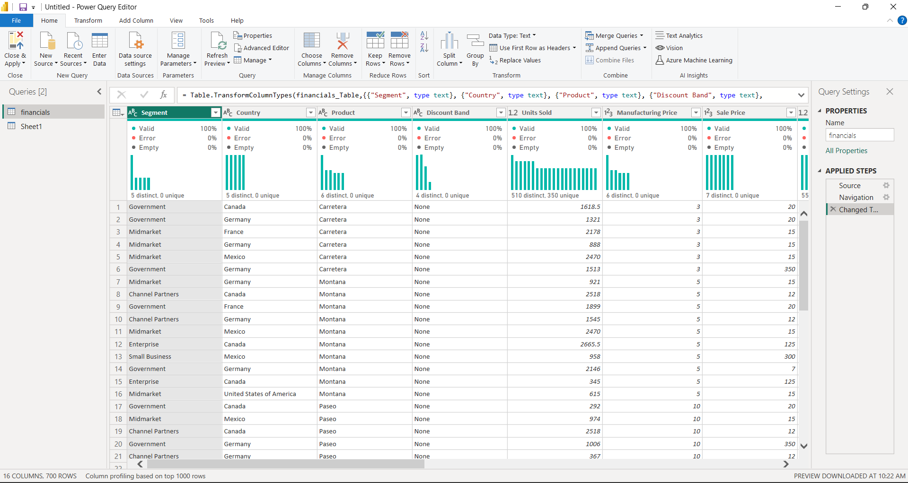
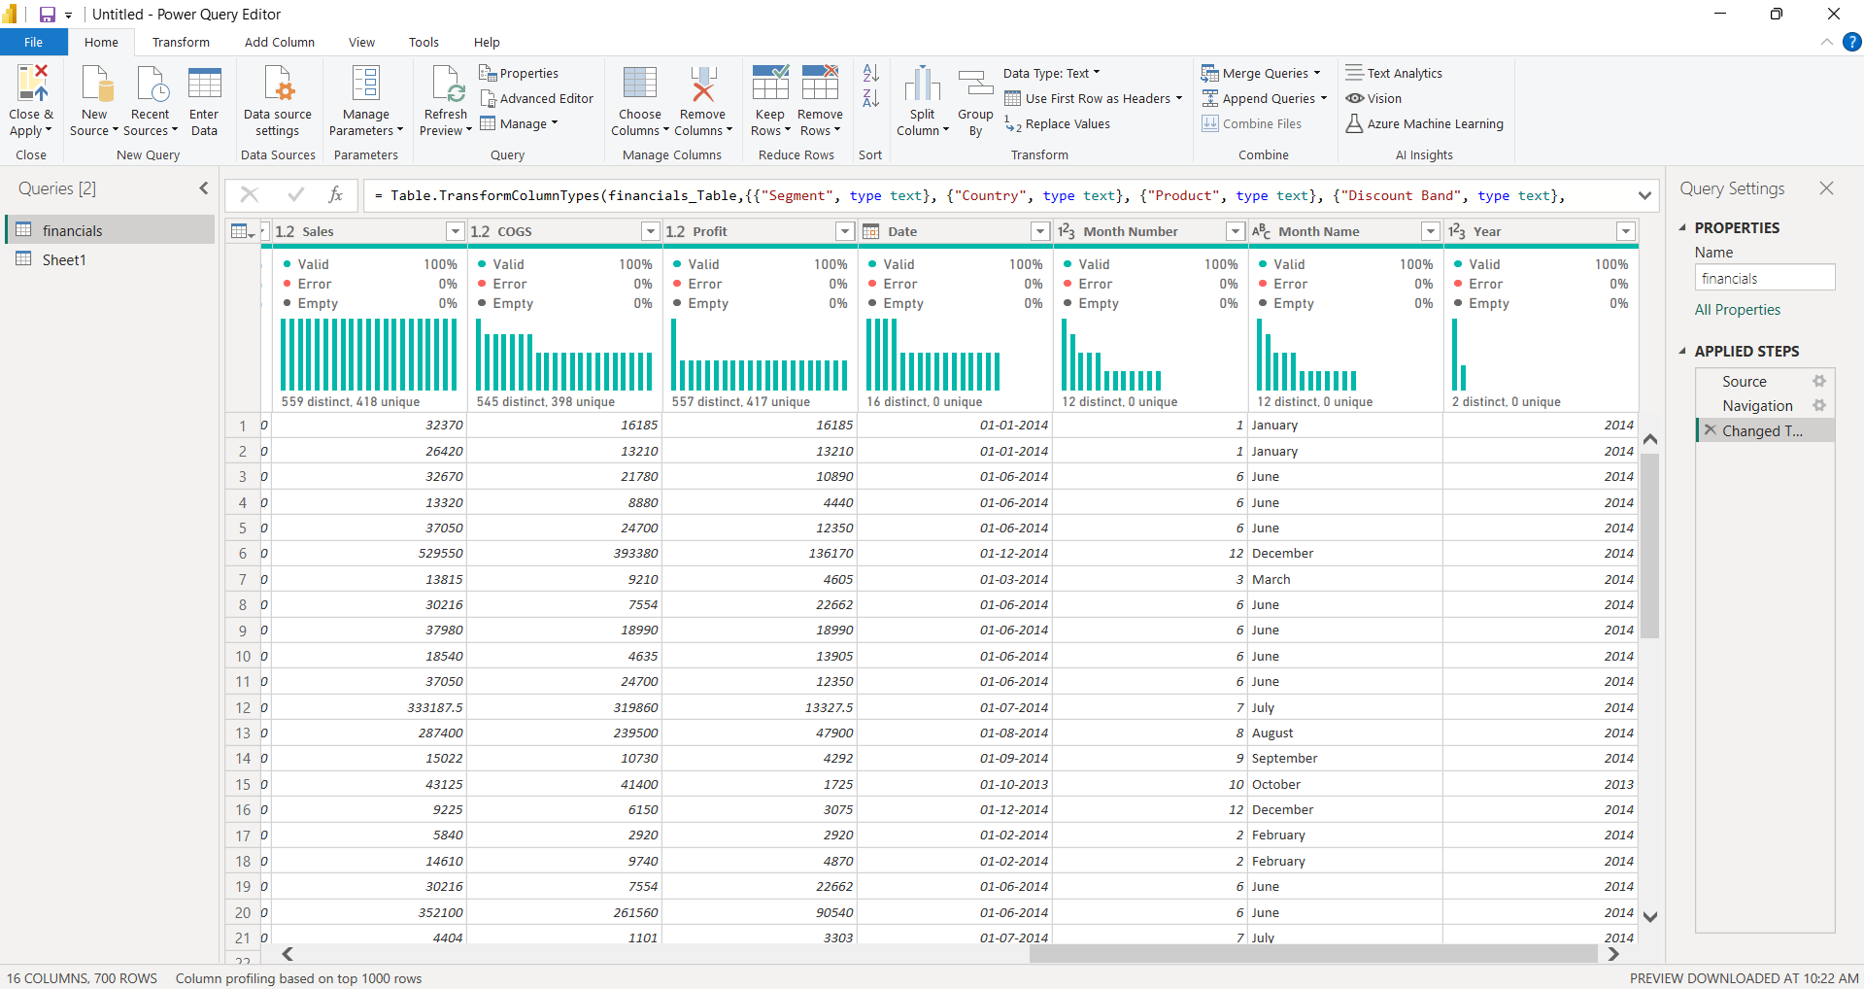
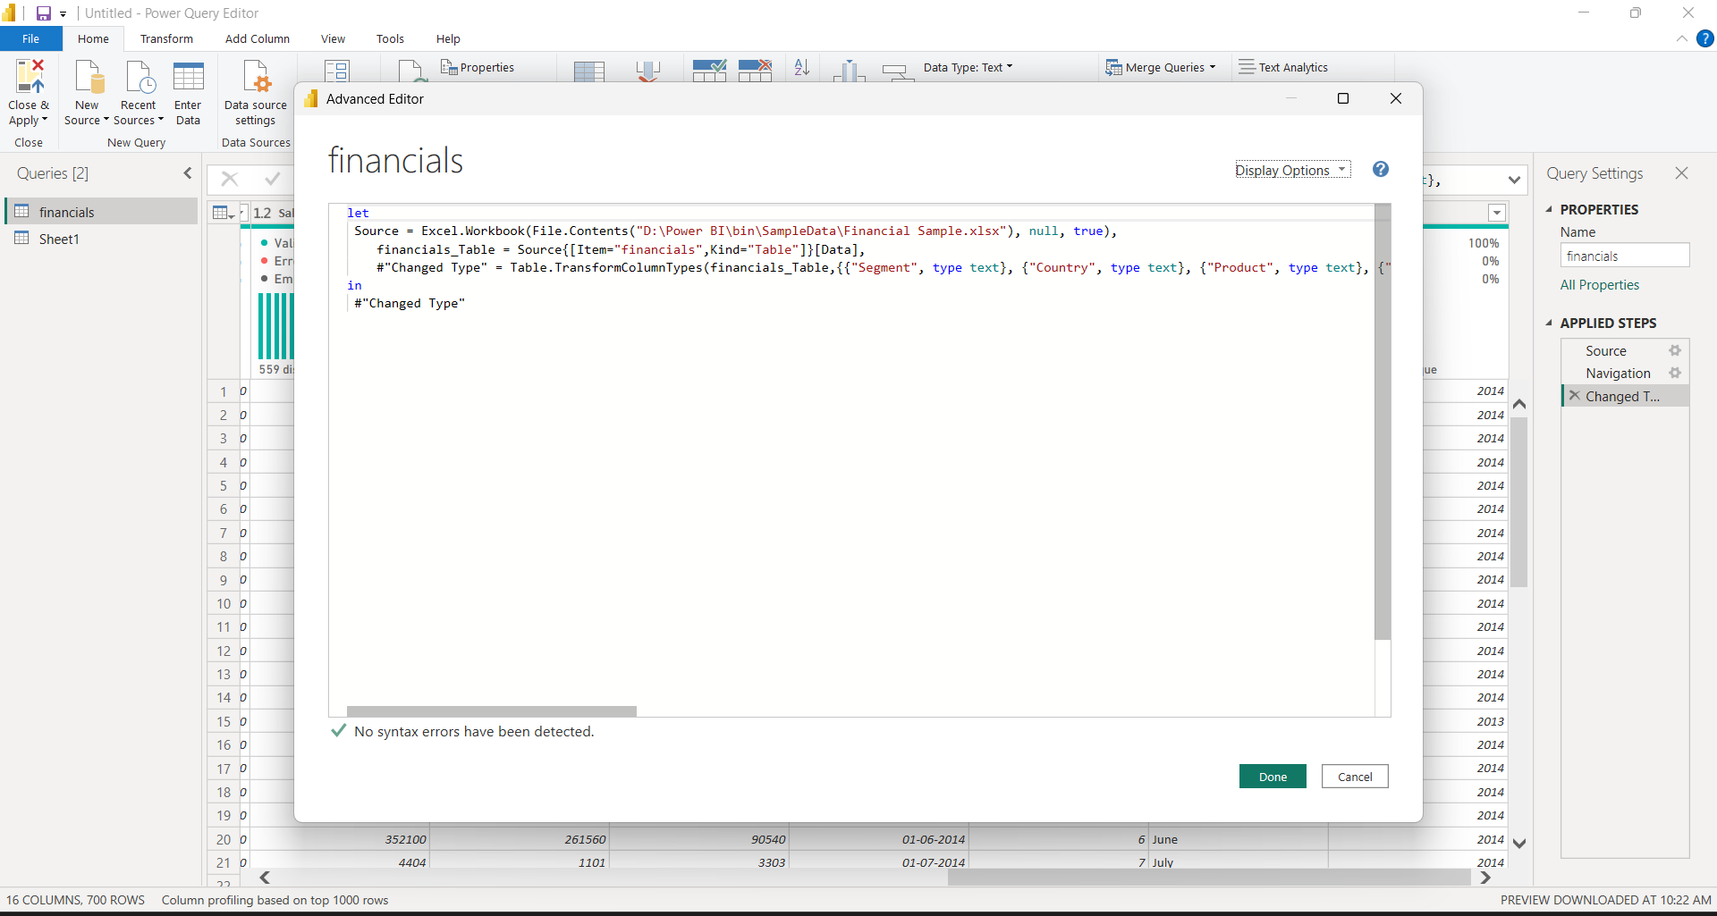

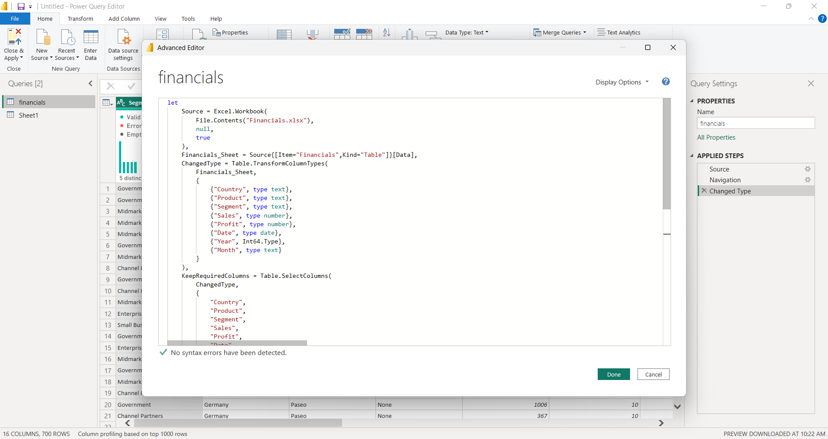

BEFORE : Dataset Image | Power BI Query | Power BI Query

S3 - Map Visualiation
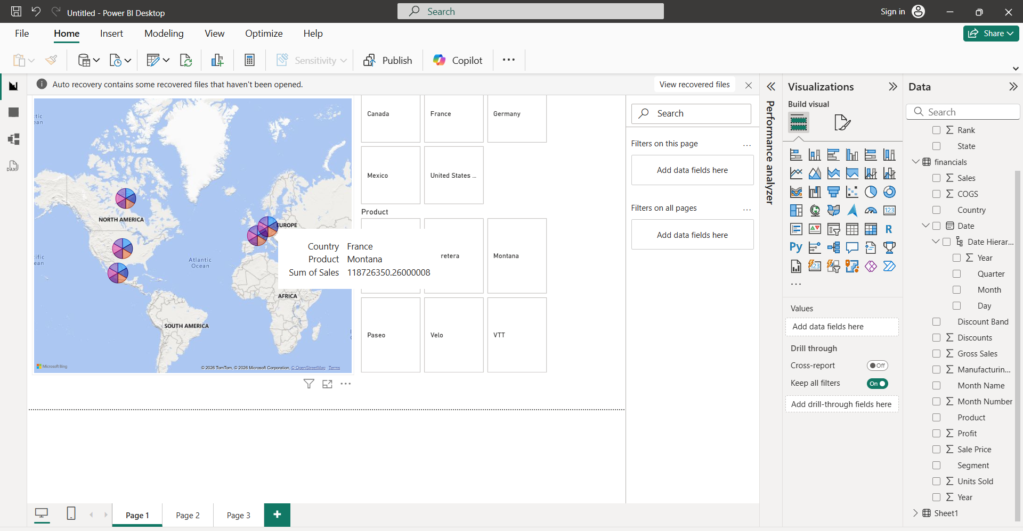

The map visual represents global sales distribution across countries.
Bubble size indicates total sales, helping identify high-performing regions.
This enables management to focus on profitable markets and expansion opportunities.

S4 - API Integrated Visuals
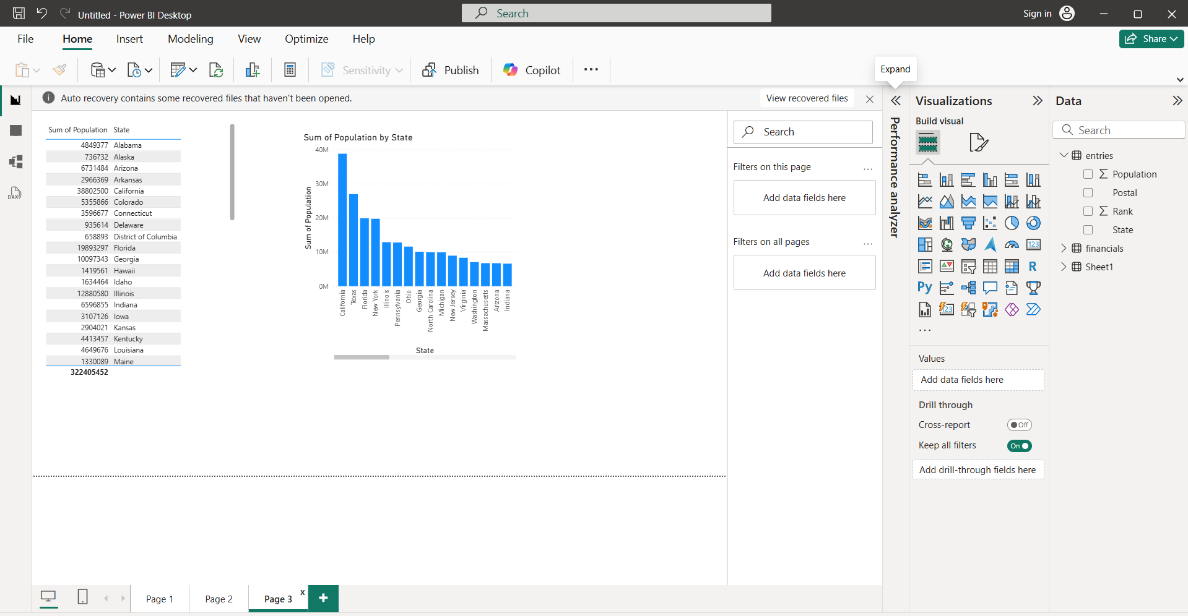
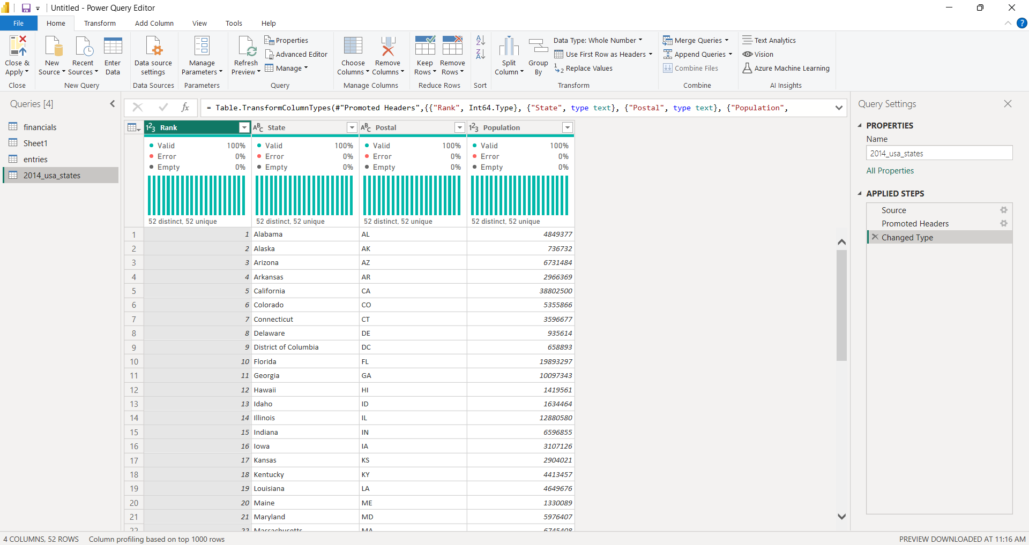

API Used
https://raw.githubusercontent.com/plotly/datasets/master/2014_usa_states.csv

Graphical Visualisation
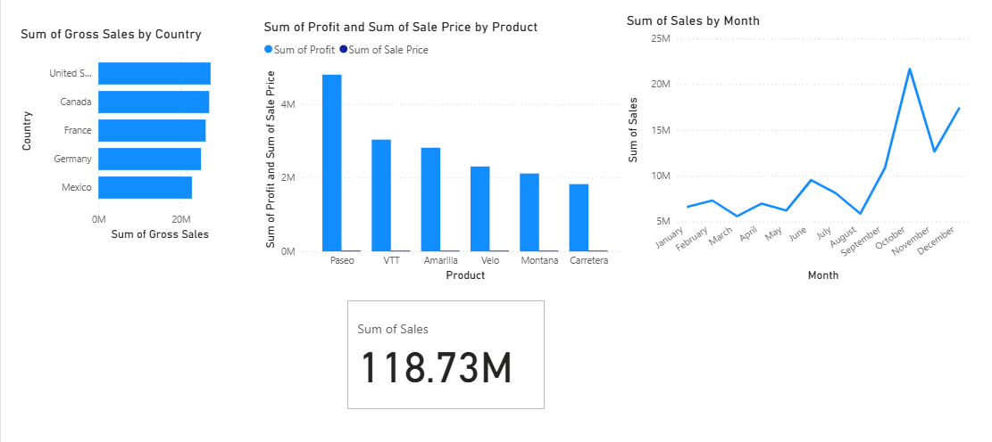

This bar chart compares total sales across different countries.
It clearly highlights which countries contribute the highest revenue.
The visualization helps identify top-performing and underperforming markets,
supporting region-wise sales strategy and decision-making.

This KPI card displays the overall total sales value.
It provides a quick summary of business performance at a glance.
Such high-level metrics are useful for executives and stakeholders.
This line chart illustrates the trend of sales over time.
It helps identify growth patterns, seasonal variations, and sales fluctuations.
Time-based analysis supports forecasting and long-term business planning.

This column chart shows profit distribution across various products.
It helps identify the most and least profitable products in the portfolio.
The analysis supports product-level performance evaluation and pricing decisions.

S5 - Services & Granularity
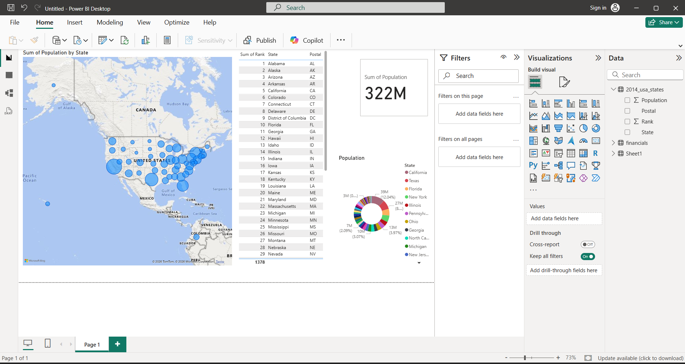
Monolithic Architecture
Monolithic architecture is a traditional software design approach where the entire application is built as a single, unified unit. All components—such as the user interface, business logic, and database access—are tightly integrated and run as one system. Any change or update requires redeploying the entire application, which makes scaling and maintenance challenging as the application grows.
Key Characteristics
Single codebase
Tightly coupled components
Limited scalability
A failure in one module can impact the entire application
Example
An e-commerce application built using monolithic architecture:
User login
Product catalog
Order processing
Payment system
All these features are part of one application. If the payment module needs an update, the whole application must be rebuilt and redeployed. If the payment service crashes, the entire website may go down.
Microservices Architecture
Microservices architecture breaks an application into small, independent services, each responsible for a specific business function. These services communicate with each other through APIs and can be developed, deployed, and scaled independently. This approach improves flexibility, scalability, and fault tolerance.
Key Characteristics
Multiple independent services
Loosely coupled architecture
Independent deployment and scaling
Better fault isolation
Example
The same e-commerce application using microservices:
Authentication service
Product service
Order service
Payment service
Each service runs independently. If the payment service fails, users can still browse products and add items to the cart. Updates to one service do not require redeploying the entire system.

Difference Between Monolithic and Microservices Architecture
Aspect | Monolithic Architecture | Microservices Architecture
Structure | Single application unit | Collection of independent services
Deployment | Entire application deployed together | Services deployed independently
Scalability | Whole application must be scaled | Individual services can be scaled
Failure Impact | High | Low
Technology Stack | Usually single technology | Multiple technologies supported
Concept of Granularity
Granularity refers to the level of detail at which data is stored or analyzed. Higher granularity means more detailed data, while lower granularity means more summarized data.
dataset contains:
Rank
State
Postal (State Code)
Population
This data is primarily at the State level, but we can explain granularity using examples based on it.
Conclusion
Monolithic architecture is suitable for small applications due to its simplicity, but it becomes harder to manage and scale as the system grows. Microservices architecture provides greater scalability, flexibility, and reliability by using fine-grained services. The choice of architecture depends on application size, complexity, and business requirements.

